Screenshots
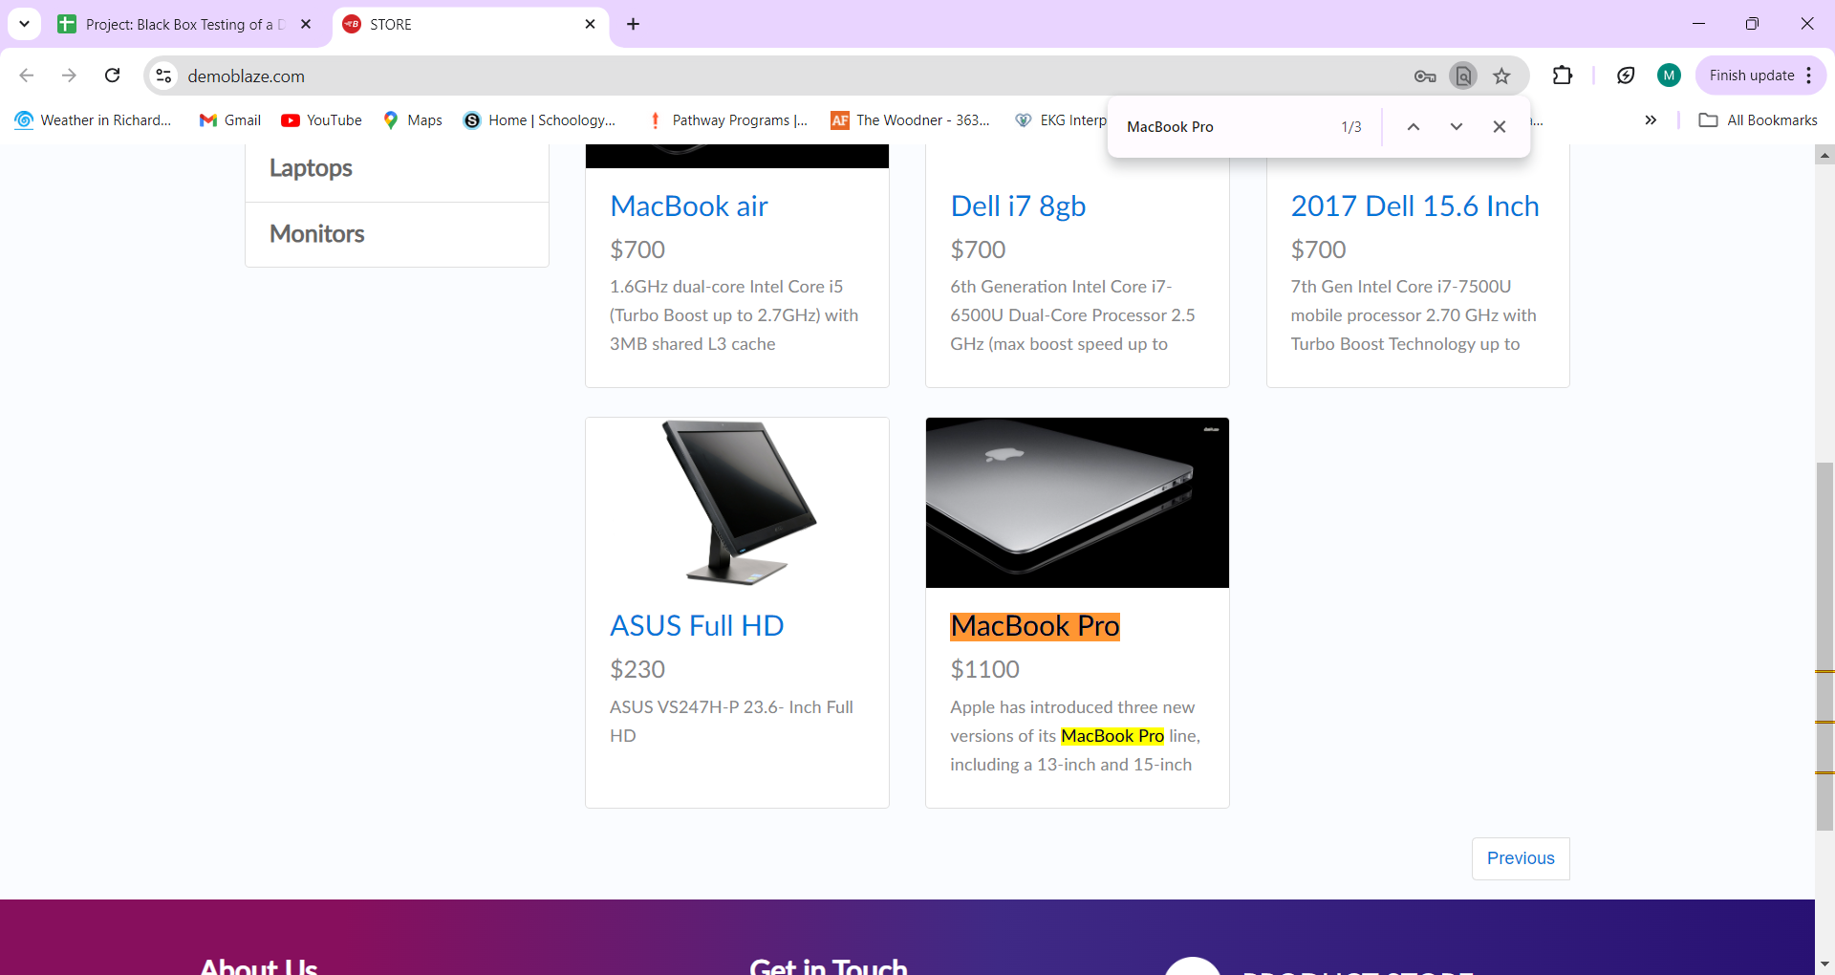
BUG001: Incorrect count on Homepage
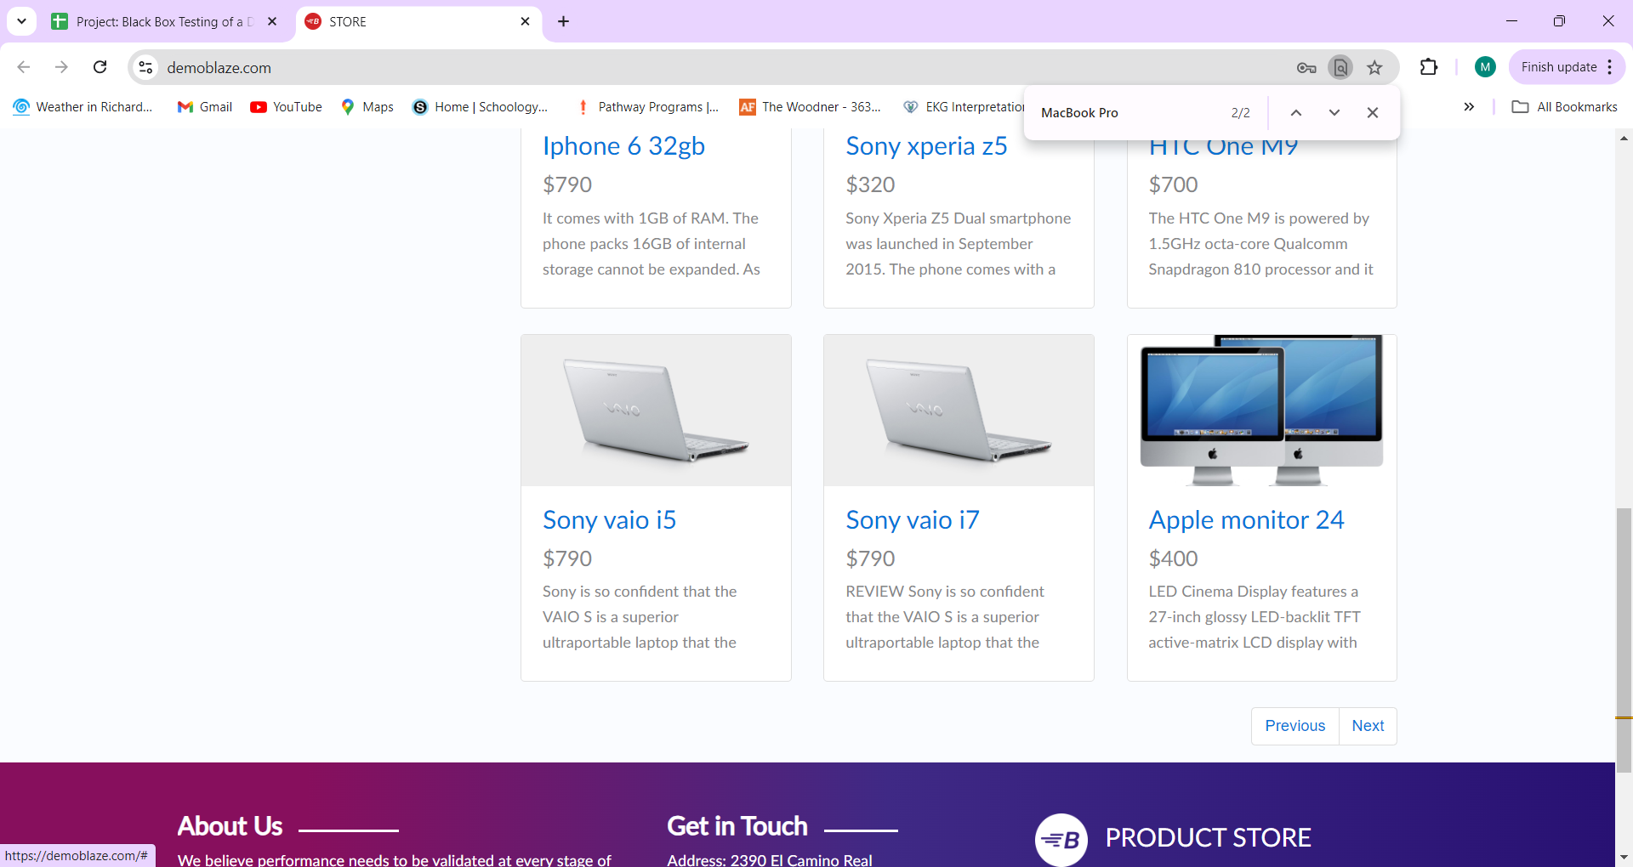

BUG002: Incorrect count on Page 2

